Intro
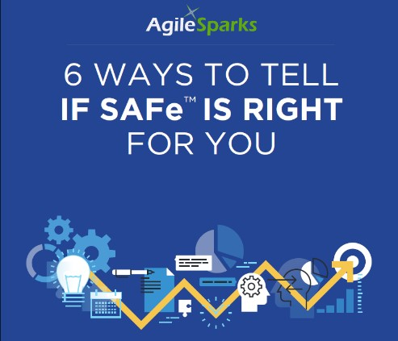
 | These days, it seems that scaling Agile is all the rage. And while
 | Agile truly is the best, most efficient and most profitable way to
 | get a great product to market quickly, scaling Agile is a road
 | filled with potholes and landmines.
 | And if you don’t do it properly, your product - and your team -
 | can easily end up in a ditch.
 | So how do you know if SAFe is right for you?
 | Well… you could hire a team of consultants to go through what
 | would certainly lengthy (and expensive) process to figure it out.
 | Or you could just use this simple checklist and find out in a few
 | minutes.
 | Just check the boxes that apply to you and add up your score. At
 | the end of this list, we’ll tell you what your score means - and
 | whether SAFe truly is for you.
 | So let’s get started..

Copyright 2016 - AgileSparks
www.agilesparks.com

